Source
Microsoft Add-in
https://www.microsoft.com/en-in/download/details.aspx?id=15011
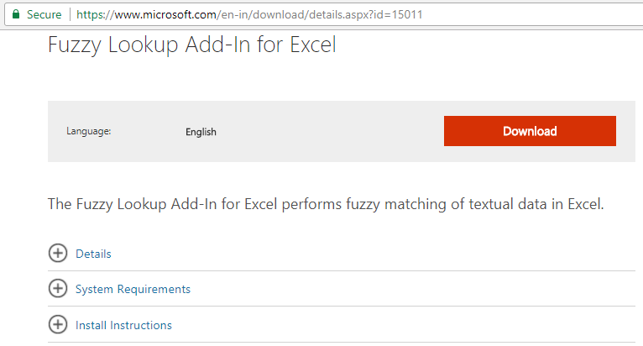

Notes:
1. Start with low threshold
2. If single table, then choose the same table again in the add-in panel
3. Use Similarity index to sort

